Sheet1
X0 | 1 |  | mechanical-design-handbook.blogspot.com

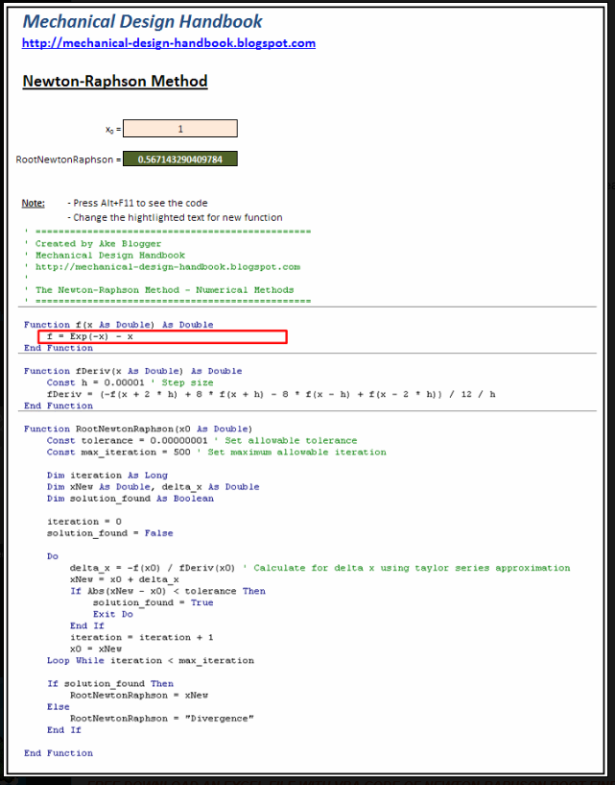
NR | 0.56714329041 | 0 = e-x - x

Check | 0

